Olympic Hopes - Group D



 | Olympic Hopes 2018
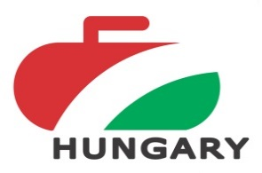

 | Group D

 |  | SVSM ST-Petersburg (RUS3) |  |  | CZE 1 |  |  | Team Wortel (NED1) |  |  | Point | Button | Stone / End

D1 | SVSM ST-Petersburg (RUS3) |  |  |  | 5 | - | 3 | 13 | - | 2 | 4 | 147.0 | 18
 |  |  |  |  | 4 | - | 2 | 5 | - | 1 |  |  | 9
D2 | CZE 1 | 3 | - | 5 |  |  |  | 9 | - | 3 | 2 | 104.7 | 12
 |  | 2 | - | 4 |  |  |  | 4 | - | 2 |  |  | 6
D3 | Team Wortel (NED1) | 2 | - | 13 | 3 | - | 9 |  |  |  | 0 | 130.7 | 5
 |  | 1 | - | 5 | 2 | - | 4 |  |  |  |  |  | 3

