Olympic Hopes - Group B



 | Olympic Hopes 2018
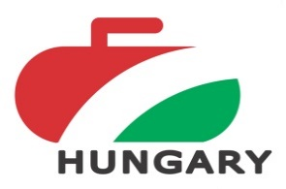

 | Group B

 |  | Presnovka Prague (CZE3) |  |  | Poland 1 (POL1) |  |  | Adamant Kids (RUS2) |  |  | Point | Button | Stone / End

B1 | Presnovka Prague (CZE3) |  |  |  | 3 | - | 9 | 6 | - | 3 | 2 | 122.6 | 9
 |  |  |  |  | 2 | - | 4 | 4 | - | 2 |  |  | 6
B2 | Poland 1 (POL1) | 9 | - | 3 |  |  |  | 3 | - | 7 | 2 | 162.2 | 12
 |  | 4 | - | 2 |  |  |  | 1 | - | 5 |  |  | 5
B3 | Adamant Kids (RUS2) | 3 | - | 6 | 7 | - | 3 |  |  |  | 2 | 122.0 | 10
 |  | 2 | - | 4 | 5 | - | 1 |  |  |  |  |  | 7

